Strategy
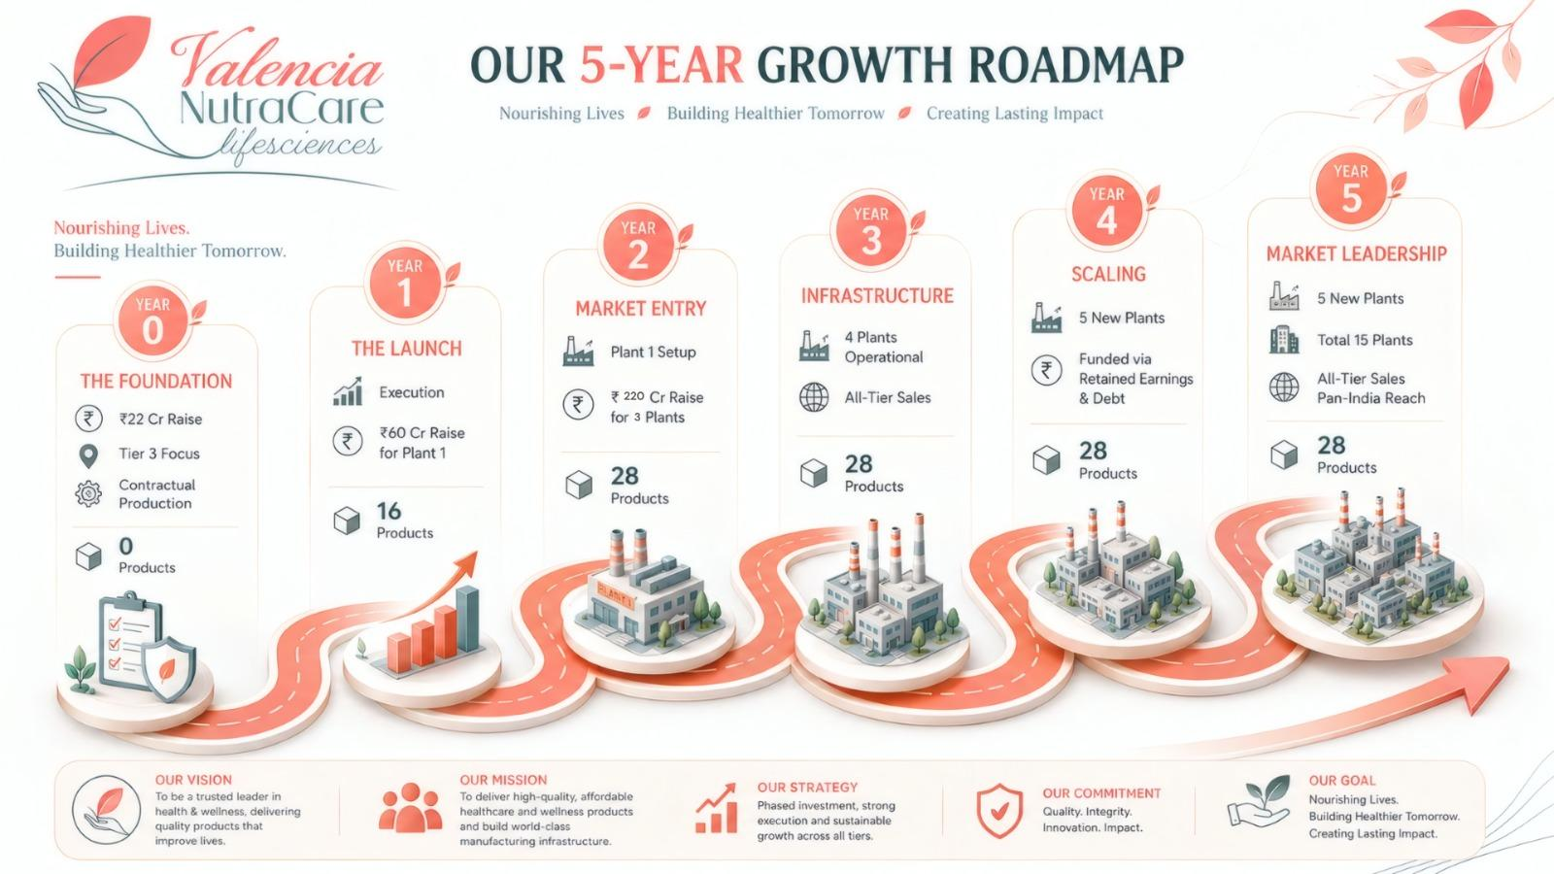

Years | 1 | 2 | 3 | 4 | 5
Tiers Targetted | Tier 3 | Tier 1 & 3 | All Tiers | All Tiers | All Tiers
Investor Capital Deployed (in Cr) | 22 | 60 | 220 | 0 | 0
Products (SKUs)
Manufacturing | Contract Manufacturing | In-house & Third Party Manufacturing | In-house & Third Party Manufacturing | In-house & Third Party Manufacturing | In-house & Third Party Manufacturing
Plants Set up
Total Plants

